PhenoCycler (Akoya Names)
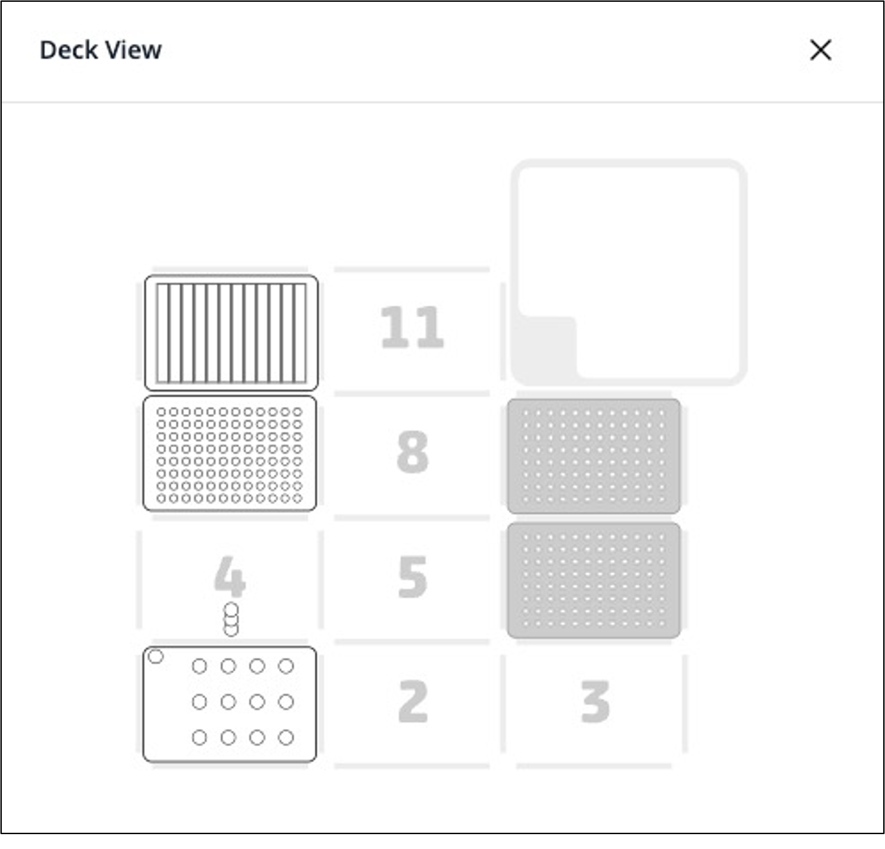
Important! Adjust the values below (click for drop down selection) and the spreadsheet will auto-fill
Omni-Stainer module type |  |  | S12 |  | Assemble Flow Cells in PBS or Hydration Buffer
Num samples: |  |  | 5
Antibody screening mode |  |  | Yes
Antibody cocktail / slide (μL) |  |  | 120 | (general AB cocktail/slide) = |  |  | 120 μL

Deck position 10: |  | Buffers reservoir (12-trough, sealed with a pierceable sealing sheet)
 | 1 | 2 | 3 | 4 | 5 | 6 | 7 | 8 | 9 | 10 | 11 | 12 | Reagent Volume
A | Hydration Buffer + 1.6% PFA | Staining Buffer | Storage Buffer + 1.6% PFA | MeOH | 1x PBS | PhenoCyler running buffer (1x CODEX buffer) | Screening Buffer (12mL 1x CODEX buffer with 3mL DMSO) | Stripping Buffer (3mL 1x CODEX buffer mixed with 12mL DMSO) | Storage Buffer | X | X | X | 10 mL

Deck position 7: |  | Antibody plate (96-well plate, sealed with aluminum sheet). Important! Each column of the plate corresponds to a sample in the Omni-stainer. Antibody mixes can be the same or different between columns
 | 1 | 2 | 3 | 4 | 5 | 6 | 7 | 8 | 9 | 10 | 11 | 12 | Well Volume | Reagent Preparation instructions
А | Blocking Buffer | Blocking Buffer | Blocking Buffer | Blocking Buffer | Blocking Buffer |  |  |  |  |  |  |  | 120 μL | PhenoCycler Blocking Buffer: Staining Buffer with N, G, J, & S Blockers - but without antibodies
B | Ab cocktail 1 | Ab cocktail 2 | Ab cocktail 3 | Ab cocktail 4 | Ab cocktail 5 |  |  |  |  |  |  |  | 120 μL | Antibody Cocktail Solution: Staining Buffer with N, G, J, & S Blockers, WITH PhenoCycler and Custom-Conjugated Antibodies
C | Fixative Reagent | Fixative Reagent | Fixative Reagent | Fixative Reagent | Fixative Reagent |  |  |  |  |  |  |  | 7.5 μL | Fixative Reagent: aliquots can be safely stored at room temperature for the duration of the protocol, as long as the plate is sealed with aluminum sheet immediately after filling
D | Detector Mix #1 | Detector Mix #2 | Detector Mix #3 | Detector Mix #4 | Detector Mix #5 |  |  |  |  |  |  |  | 120 μL | Reporter Master Mix : Reporter Stock Solution with up to 3 Reporters, as per Akoya Instructions
E
F
G
H

Important! Assemble Flow Cells in PBS or Hydration Buffer |  |  |  |  |  | Important! One must use fresh Fixative Reagent aliquots every time
Deck position 1: |  | Omni-Stainer S12 module |  |  |  | In our experience, antibody staining quality can be compromised by using Fixative Reagent aliquots are nearing expiration
 | 1 | 2 | 3 | 4 |  | If that is happening, we recommend making replacement fixative aliquots by dissolving BS3 in dry DMSO as described in PMID34215862
A | Sample | Sample | Sample | Sample |  | Solute | BS3 Crosslinker | 50 mg | Thermo Fisher 21580
B | Sample |  |  |  |  | Solvent | Dry DMSO | 250 μL | Sigma D2650-5X5ML
C |  |  |  |  |  | Mix thoroughly, dispense into 20ul Aliquots in PCR strips, store at -20C

Deck position 6: |  | 300 μL Tip rack #1 |  |  |  | Blocking Buffer, Antibody Cocktail, Reporter Stock, Reporter Master Mix (Probe mix) Calculator: input numbers into Input Cells (see format key)
Deck position 9: |  | 300 μL Tip rack #2 |  |  | Formatting Key | Staining reagent calculator (Antibody Plate)
 |  |  |  |  |  | total Ab [μL]/sample | 44
 |  |  |  |  | Input Cell | Num samples: | 5
 |  |  |  |  | Linked Cell
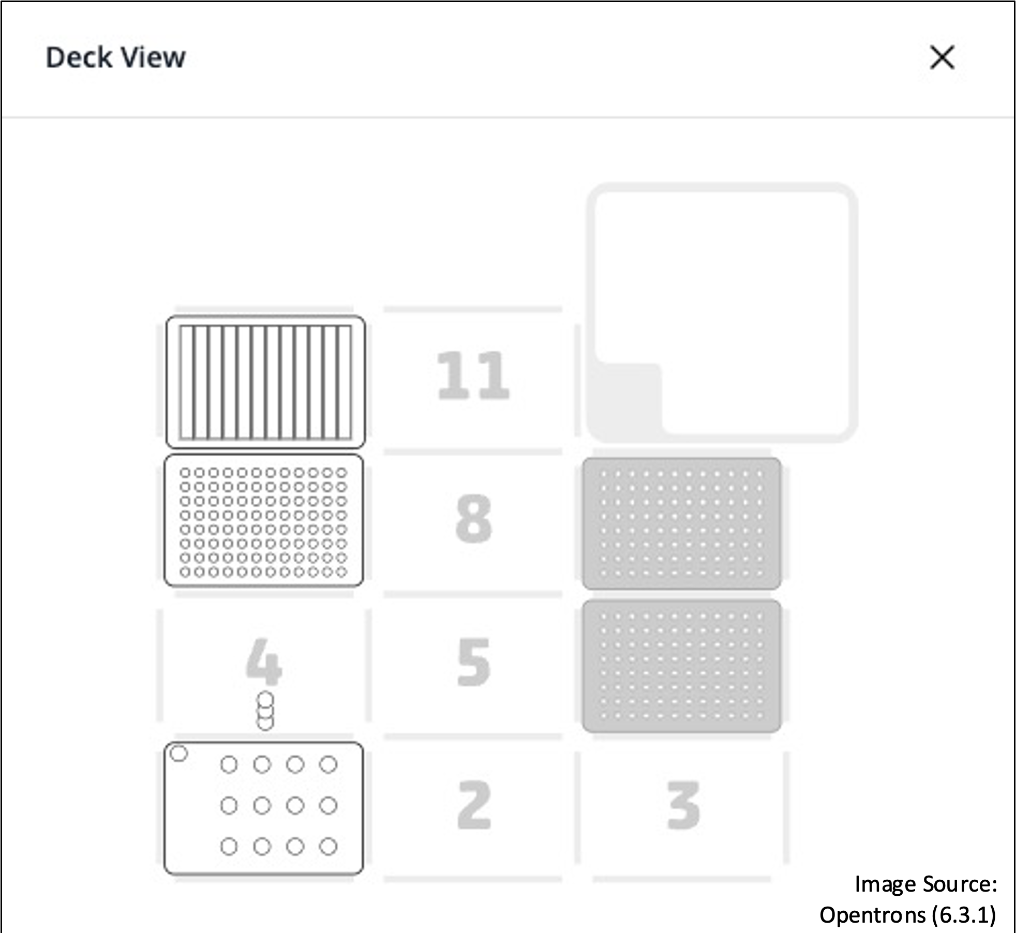
 |  |  |  |  | Calculation | REAGENT | Blocking Buffer (Preblock) [Row A] | Ab Cocktail Solution [Row B] | Manual/sample | Automated/sample | Percentage
 |  |  |  |  | SUM | Staining Buffer | 543.0 | 323.0 | 181 | 10860.00% | 90.50%
 |  |  |  |  | Hidden cell | N Blocker | 14.3 | 14.3 | 4.75 | 285.00% | 2.38%
 |  |  |  |  | STATIC cell | G Blocker | 14.3 | 14.3 | 4.75 | 285.00% | 2.38%
 |  |  |  |  |  | J Blocker | 14.3 | 14.3 | 4.75 | 285.00% | 2.38%
 |  |  |  |  |  | S Blocker | 14.3 | 14.3 | 4.75 | 285.00% | 2.38%
 |  |  |  |  |  | Total Antibodies | 0.0 | 220.0 | 0 | 0.00% | 0.00%
 |  |  |  |  |  | Total [μL] | 600 | 600 | 200 | 12000.00% | 100%
 |  |  |  |  |  | For Antibody Testing Mode
 |  |  |  |  |  | Component | Reporter Stock Solution volume (ul) | Reporter Stock Solution volume needed, exact (ul) | Reporter Stock Solution volume (to make round numbers)
 |  |  |  |  |  | 1X PCF Buffer | 265 | 498.2 | 530
 |  |  |  |  |  | Assay Reagent | 25 | 47.0 | 50
 |  |  |  |  |  | DAPI (5ul for PCF 1.0, 10ul for PCF 2.0) | 10 | 18.8 | 20
 |  |  |  |  |  | SUM | 300 | 564 | 600 | 600
 |  |  |  |  |  |  |  | ^actual amt needed | 106.4% | <- conversion factor for simple numbers

 |  |  |  |  |  |  | Input Reporter Master Mix (vol ul) | Output Reporter Master Mix (vol ul) [Row D] |  | ul / Per 120 ul well
 |  |  |  |  |  | Reporter Stock Solution | 235 | 112.8 |  | 112.8
 |  |  |  |  |  | Reporter 1 | 5 | 2.4 |  | 2.4
 |  |  |  |  |  | Reporter 2 | 5 | 2.4 |  | 2.4
 |  |  |  |  |  | Reporter 3 | 5 | 2.4 |  | 2.4
 |  |  |  |  |  | SUM (check) | 250 | 120 |  | 120
 |  |  |  |  |  | Input Sum Value | 250

